Intro
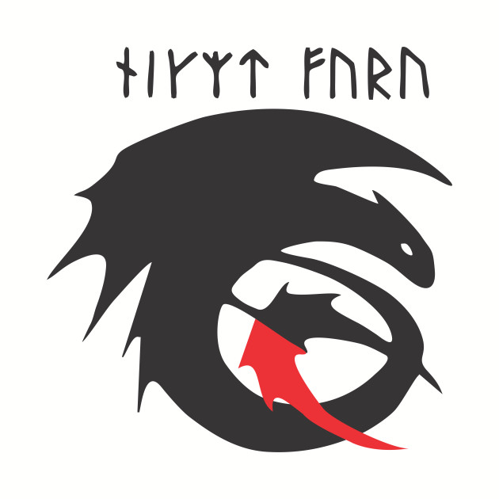
SAE ADC 2019

Night Fury

Airfoil Selection
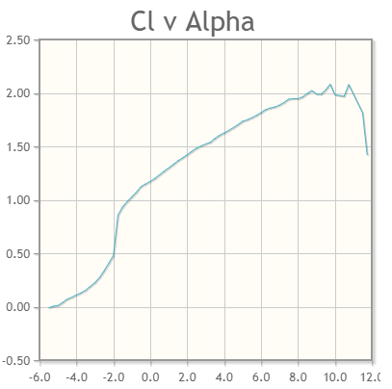 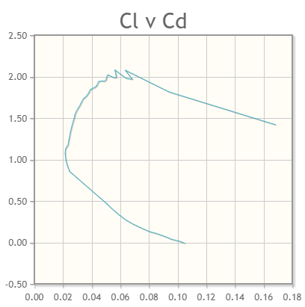 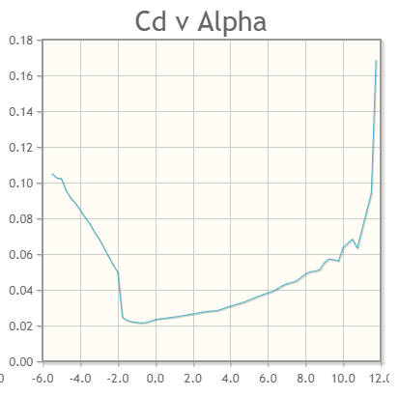 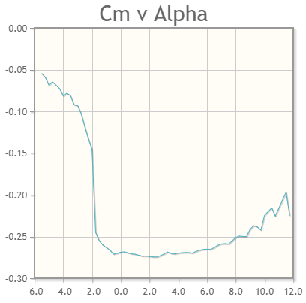 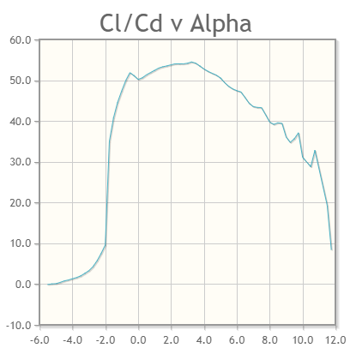
S1223 | S1223 - Selig S1223 high lift low Reynolds number airfoil
 |  |  |  |  |  |  |  | 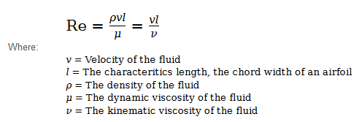

 |  | Max thickness 12.1% at 19.8% chord.
 |  | Max camber 8.1% at 49% chord

 |  |  | Alpha(AOA) | Cl | Cd | Cm | Cl/Cd
Re. No. = 100,000 |  |  | 0 | 1.1729 | 0.02337 | -0.2688 | 50.188275567
Ncirt=9 |  |  | 3 | 1.5223 | 0.02811 | -0.2711 | 54.155104945
 |  | Max Cl | 9.75 | 2.0814 | 0.05612 | -0.2422 | 37.088382038
 |  | Stall | 10.75 | 2.0778 | 0.06333 | -0.2255 | 32.809095216

Wing Calculations(Rectangle)
Wing Calculations (Rectangular Wing)

 |  |  |  |  |  |  |  | Vstall=sqrt((2*W*g)/(rho*S*Clmax)) |  |  | = | 8.9337577103 | m/s |  | Vstall | 10
Weight, W | 2.5 | Kgs | 24.525 | N |  |  |  | V cruise= 1.2* Vstall |  |  | = | 10.720509252 | m/s
rho | 1.223 | Kg/m^3 |  |  |  |  |  | V td= 1.1*Vstall |  |  | = | 9.8271334813 | m/s

L = 0.5*rho*V^2*S*Clmax |  |  |  | L=W | 2.5
 |  |  |  |  |  |  |  | Cl/Cd_max 54.5 at α=3.25° |  |  |  |  |  | L req | 3
AR = b^2/S |  |  |  | S=2*L/rho*V^2*Clmax |  |  |  | Cl at α=3.25° is 1.5379
 |  |  |  | S | 0.193 | m^2
S = b*C |  |  |  |  |  |  |  |  |  | To lift 2.5kg of weight, S |  | 0.193 | m^2
 |  |  |  | AR | Wing Span(b) (m) |  | Chord_C(m) |  |  | After Container Sizing |  | 0.241 | m^2
b = sqrt(AR*S) |  |  |  | 4 | 1.3 |  | 0.325
 |  |  |  | 5 | 1.3 |  | 0.26 |  |  |  |  | N | Kg
C = b/AR |  |  |  | 6 | 1.3 |  | 0.217 |  |  | Lift with S = | 0.19268903619 | 24.525 | 2.5
 |  |  |  | 7 | 1.3 |  | 0.186 |  |  | Lift with S = | 0.24142857143 | 30.728 | 3.132

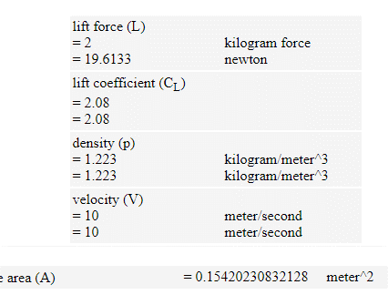
 |  |  |  |  |  | Aerodynamic Center(a.c) |  |  | 0.046

Payload Fraction
Payload Fraction

$$Payload Fraction=\frac{Payload Weight}{Total Weight of aircraft}$$

Struct. Wt. (Kg) | Payload (Kg) | Total Wt. | Payload fraction | Vstall (m/s) | L (N) | L (KG) | Sw (m\s) | b (m) | AR
1.5 | 0.7 | 2.2 | 0.31818181818 | 18.06661853 | 59.348223148 | 6.049767905 | 0.14285714286 | 1 | 7
1.5 | 1 | 2.5 | 0.4 | 15.916595094 | 55.736498073 | 5.6816002113 | 0.17285714286 | 1.1 | 7
1.5 | 1.5 | 3 | 0.5 | 14.650878594 | 56.20096889 | 5.7289468797 | 0.20571428571 | 1.2 | 7
1.5 | 2 | 3.5 | 0.57142857143 | 13.483817066 | 55.868418778 | 5.6950477857 | 0.24142857143 | 1.3 | 7
1.5 | 2.5 | 4 | 0.625 | 12.4290936 | 55.054010341 | 5.6120295965 | 0.28 | 1.4 | 7
1.5 | 3 | 4.5 | 0.66666666667 | 11.483896588 | 53.952930134 | 5.4997890045 | 0.32142857143 | 1.5 | 7
1.5 | 3.5 | 5 | 0.7 | 10.63923915 | 52.688408334 | 5.3708876997 | 0.36571428571 | 1.6 | 7
1.5 | 4 | 5.5 | 0.72727272727 | 9.884370964 | 51.33929338 | 5.2333632396 | 0.41285714286 | 1.7 | 7

Wing Loading
Wing Loading

At Stall Speed |  |  |  |  | In Crusie |  |  |  |  |  | In Loiter

 |  |  |  |  |  |  |  | n = load factor(lift/wt. of a.c)
W/S at Instantenous Turn |  |  |  | W/S at Sustained Turn |  |  |  | e = oswald efficiency
 |  |  |  |  |  |  |  | Cd0 = Zero lift drag coefficient

Cd0 | e | Pie | S or A | q | n | V_Stall (m/s) | W/S_stall (N/m^2) | W/S_cruise (N/m^2) | W/S_loiter (N/m^2) | W/S_instantaneous turn (N/m^2) | W/S_sustained turn (N/m^2)
0.02337 | 0.8 | 3.14159 | 0.24142857143 | 61.15 | 0.79812026826 | 10 | 127.278 | 7.282 | 12.612 | 159.472 | 9.124
0.02337 | 0.8 | 3.14159 | 0.24142857143 | 67.417875 | 0.79812026826 | 10.5 | 140.324 | 8.028 | 13.905 | 175.818 | 10.059
0.02337 | 0.8 | 3.14159 | 0.24142857143 | 73.9915 | 0.79812026826 | 11 | 154.006 | 8.811 | 15.261 | 192.961 | 11.040
0.02337 | 0.8 | 3.14159 | 0.24142857143 | 80.870875 | 0.79812026826 | 11.5 | 168.325 | 9.630 | 16.680 | 210.901 | 12.066
0.02337 | 0.8 | 3.14159 | 0.24142857143 | 88.056 | 0.79812026826 | 12 | 183.280 | 10.486 | 18.162 | 229.639 | 13.138
0.02337 | 0.8 | 3.14159 | 0.24142857143 | 95.546875 | 0.79812026826 | 12.5 | 198.871 | 11.378 | 19.707 | 249.175 | 14.256
0.02337 | 0.8 | 3.14159 | 0.24142857143 | 103.3435 | 0.79812026826 | 13 | 215.099 | 12.306 | 21.315 | 269.507 | 15.419

Fuselage Sizing
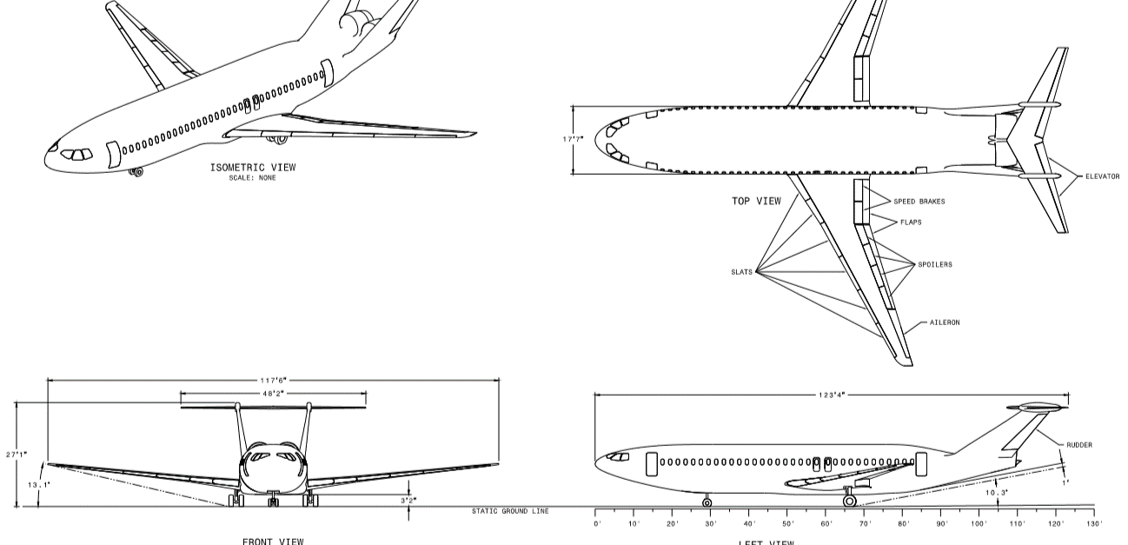
Fuselage Sizing |  |  |  |  |  |  | Double Bubble Fuselage

Length of fuselage is about 60-75% of span |  |  |  | Span= | 1.3 | m | Payload Bay Dimensions |  |  | 1in= | 2.54 | cm
 |  |  |  |  |  |  | 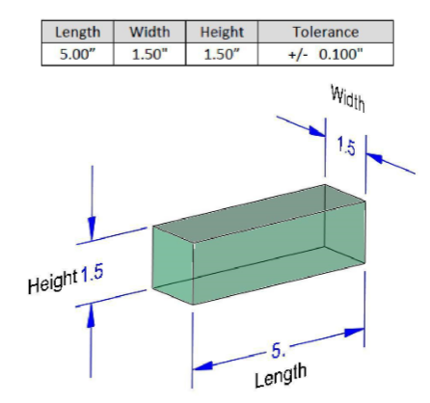 |  |  |  |  |  | With Clearence
% | Actual | Wing Span(m) | Length of Fuselage(m) |  |  |  |  |  |  | l | 12.7 | cm | 6 | in
60 | 0.6 | 1.3 | 0.78 |  |  |  |  |  |  | w | 3.81 | cm | 2.5 | in
62 | 0.62 | 1.3 | 0.806 |  |  |  |  |  |  | h | 3.81 | cm | 2.5 | in
64 | 0.64 | 1.3 | 0.832
66 | 0.66 | 1.3 | 0.858
68 | 0.68 | 1.3 | 0.884 |  |  |  |  |  |  | Fuselage Dimensions
70 | 0.7 | 1.3 | 0.91 | Considered |  |  |  |  |  | Width of fuselage |  | 12.7 | cm | 5 | in
72 | 0.72 | 1.3 | 0.936 |  |  |  |  |  |  | Height of fuselage |  | 5.81 | cm | 2.5 | in
74 | 0.74 | 1.3 | 0.962 | Designed
75 | 0.75 | 1.3 | 0.975 |  |  |  |  |  |  |  |  |  | 6.35 | 0.0635

 |  |  |  |  |  |  |  |  |  | Battery Length |  | 4in
Dimensions

 |  |  |  |  |  |  |  | Motor
Exterior |  | Interior |  |  |  |  |  | SV
W (mm) | H (mm) | W (mm) | H (mm) |  |  |  |  | 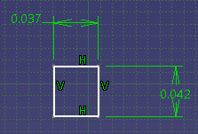
127 | 63.5 | 107 | 43.5
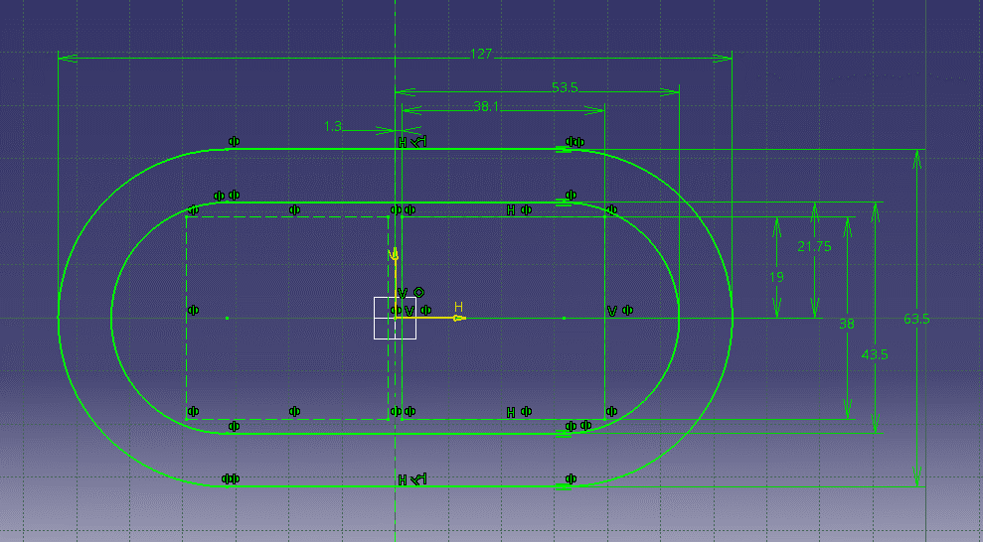

 |  |  |  |  |  |  |  | Boom

 |  |  |  |  |  |  |  | L | 0.755 | m
 |  |  |  |  |  |  |  | B | 0.012 | m
 |  |  |  |  |  |  |  | H | 0.012 | m

Dimensions V2

Exterior |  | Interior
W (mm) | H (mm) | W (mm) | H (mm)
119.1 | 78 | 99.1 | 58
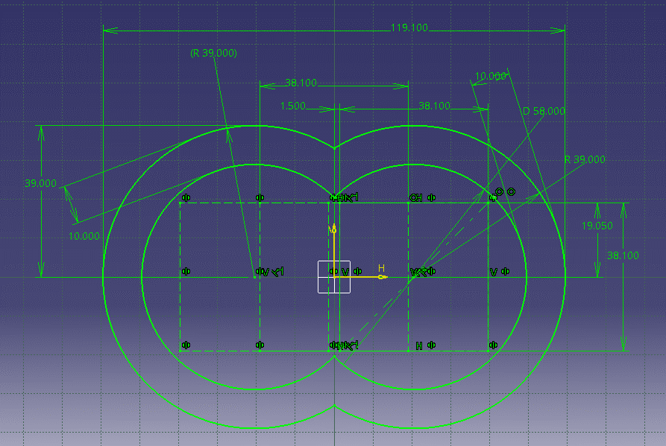

 |  |  |  |  |  |  |  | Granted

Nose Cone Design
Nose Cone Design

Design V1 (For optimised)

L (m) | R (m) | r_n (m) | rho (m) | x0 (m)
0.15 | 0.064 | 0.01 | 0.1 | 0.067513637491
0.15 | 0.064 | 0.02 | 0.15 | 0.052511539144 | T.V
0.15 | 0.064 | 0.02 | 0.2 | 0.032084776216

0.15 | 0.022 | 0.01 | 0.4 | 0.054 | S.V_up

0.15 | 0.042 | 0.01 | 0.17 | 0.054 | S.V_down
 |  |  |  |  |  | Top View | Side View
 |  |  |  |  |  | 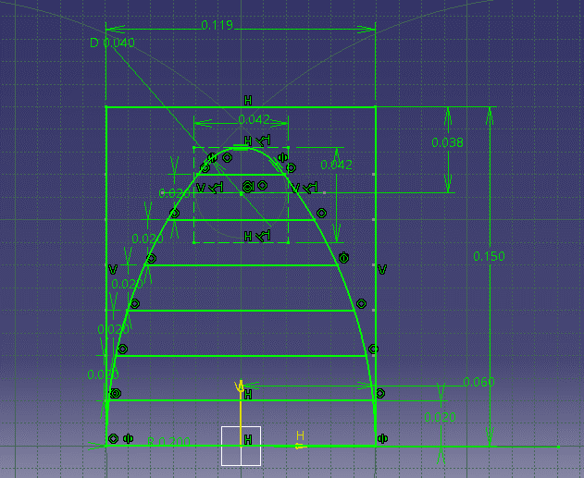 | 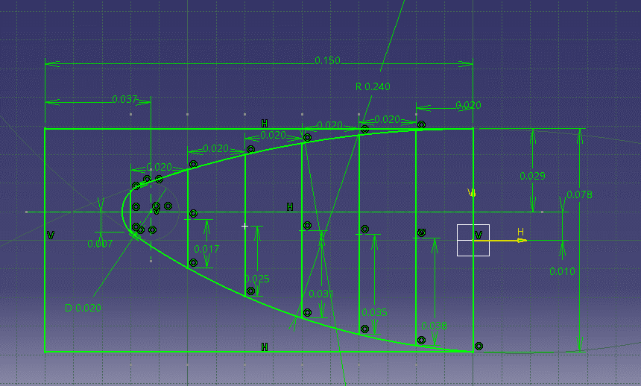
Design V2 (Double-Bubble)

L (m) | R (m) | r_n (m) | rho (m) | x0 (m) | meters
0.15 | 0.059 | 0.01 | 0.1 | 0.069881338004
0.15 | 0.059 | 0.02 | 0.15 | 0.057161430429
0.15 | 0.059 | 0.02 | 0.2 | 0.038111662806 | T.V

0.15 | 0.029 | 0.01 | 0.35 | 0.037933055721 | S.V_up

0.15 | 0.039 | 0.01 | 0.24 | 0.03820107335 | S.V_down

Tail Sizing
Tail Sizing |  |  |  |  |  | 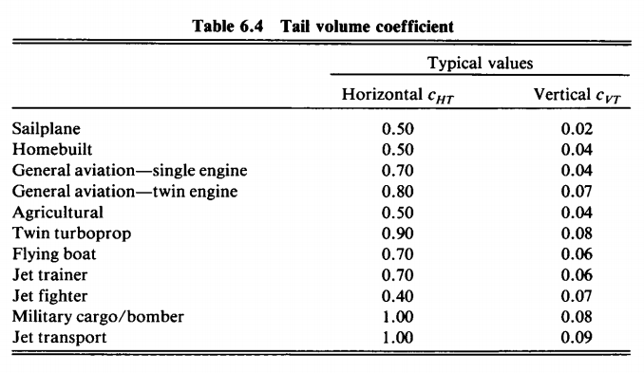
 |  |  |  |  |  |  |  |  |  |  |  |  |  | c_HT = | HT tail volume coeffifient
 |  |  |  |  |  |  |  |  |  |  |  |  |  | L_HT = | Moment Arm Length of HT
 |  |  |  |  |  |  |  |  |  |  |  |  |  | S_HT = | Surface Area of HT
 |  | Cht | Cvt
 |  | 0.5 | 0.04

 |  | For home built plane

Aspect Ratio |  |  | Surface Area
H.T is 3 to 5 |  |  | H.S is 15-25% of wing area
V.T is 3 to 5 |  |  | V.S is 7-12% of wing area

An aircraft with front mounted propeller has a tail moment arm of about 60% of the fuselage length |  |  |  |  |  |  |  |  |  |  | L_VT & L_HT | 0.546 | m
 |  |  |  |  |  |  |  |  |  |  | Required moment arm length
Horizontal Tail

% | S_ht (m^2) | c_ht (m) | C_W (m) | S_w (m^2) | L_ht (m) |  | AR | S_ht (m^2) | b_ht (m) | C_ht (m) |  | HT Dimensions
0.15 | 0.036 | 0.5 | 0.186 | 0.241 | 0.619 |  | 3 | 0.041 | 0.351 | 0.117 |  | HTML | 0.546 | m
0.17 | 0.041 | 0.5 | 0.186 | 0.241 | 0.546 |  | 3.5 | 0.041 | 0.379 | 0.108 |  | Sw | 0.241 | m^2
0.18 | 0.043 | 0.5 | 0.186 | 0.241 | 0.516 |  | 4 | 0.041 | 0.405 | 0.101 |  | MAC | 0.029 | m
0.21 | 0.051 | 0.5 | 0.186 | 0.241 | 0.442 |  | 4.5 | 0.041 | 0.430 | 0.096 |  | Sht | 0.041 | m^2
0.23 | 0.056 | 0.5 | 0.186 | 0.241 | 0.404 |  | 5 | 0.041 | 0.453 | 0.091
0.25 | 0.060 | 0.5 | 0.186 | 0.241 | 0.371

 |  |  |  |  |  |  |  |  |  |  | 0.1755
Vertical Tail

% | S_vt (m^2) | c_vt (m) | b_W (m) | S_w (m^2) | L_vt (m) |  | AR | S_vt (m^2) | b_vt (m) | C_vt (m) |  | VT Dimensions
0.07 | 0.017 | 0.04 | 1.3 | 0.241 | 0.743 |  | 3 | 0.023 | 0.262 | 0.087 |  | HTML | 0.547 | m |  | Taper Surface
0.074 | 0.018 | 0.04 | 1.3 | 0.241 | 0.703 |  | 3.5 | 0.023 | 0.283 | 0.081 |  | Sw | 0.241 | m^2 |  | Mean Chord | Ratio(x) | Cr | Ct | Tr
0.078 | 0.019 | 0.04 | 1.3 | 0.241 | 0.667 |  | 4 | 0.023 | 0.303 | 0.076 |  | MAC | 0.022 | m |  | 0.087437052187 | 0.043718526094 | 0.13115557828 | 0.013115557828 | 0.1
0.086 | 0.021 | 0.04 | 1.3 | 0.241 | 0.605 |  | 4.5 | 0.023 | 0.321 | 0.071 |  | Svt | 0.023 | m^2 |  | 0.087437052187 | 0.043718526094 | 0.13115557828 | 0.026231115656 | 0.2
0.095 | 0.023 | 0.04 | 1.3 | 0.241 | 0.547 |  | 5 | 0.023 | 0.339 | 0.068 |  |  |  |  |  | 0.16382653061 | 0.081913265306 | 0.24573979592 | 0.073721938776 | 0.3
0.096 | 0.023 | 0.04 | 1.3 | 0.241 | 0.542 |  | 2 | 0.023 | 0.214 | 0.107 |  |  |  |  |  | 0.087437052187 | 0.043718526094 | 0.13115557828 | 0.065577789141 | 0.5
0.1 | 0.024 | 1.04 | 1.3 | 0.241 | 13.520 |  | 2.5 | 0.023 | 0.239 | 0.096 |  |  |  |  |  | 0.087437052187 | 0.043718526094 | 0.13115557828 | 0.091808904797 | 0.7
0.11 | 0.027 | 2.04 | 1.3 | 0.241 | 24.109 |  | 8 | 0.023 | 0.428 | 0.054
0.12 | 0.029 | 3.04 | 1.3 | 0.241 | 32.933 |  | 9 | 0.023 | 0.454 | 0.050 |  |  |  |  |  | Svt | req_bvt | req_MAC | Tr
 |  |  |  |  |  |  |  |  |  |  |  |  |  |  |  | 0.023 | 0.14 | 0.16382653061 | 3.4
Twin Rudder Configuration |  |  |  |  |  |  |  |  |  |  |  | b | 0.140

 |  |  |  |  |  |  | Granted
Inverse Pie Tail configuration

b_vt (m) | b_vt/2 (m) | b_ht (m) | b_ht/2 (m) | Offset w.r.t FRL
0.262 | 0.131 | 0.351 | 0.175 | 0.088

Drag Calculation
Drag calculations
 |  |  |  |  |  |  | pie | 3.14159 |  | Source
 |  |  |  |  |  |  |  |  |  | https://itsallrc.wordpress.com/2014/02/19/how-to-calculate-drag/

Induced Drag |  |  |  |  |  | Parasite Drag |  |  |  | Form Factor for tail and wing |  |  |  | Form Factor for fuselage |  |  |  |  | Flat plate coefficient |  |  |  | Drag |  |  |  | Drag Polar or Total Drag
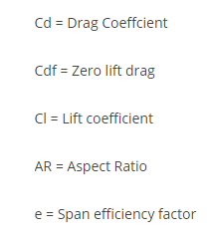 |  |  |  |  |  |  |  |  |  | 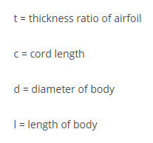 |  |  |  |  |  |  |  |  |  |  |  |  | 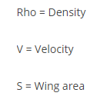 |  |  |  | 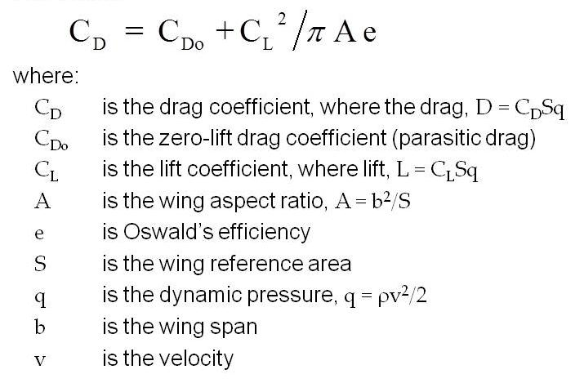

 |  |  |  |  |  | Coefficient Lift

 |  |  |  |  |  |  |  |  |  |  |  |  |  |  |  |  |  |  | Reynolds Number

Induced Drag of Wing |  |  |  |  |  |  |  |  |  |  | Parasite Drag of Wing

rho (Kg/m^3) | V (m/s) | S (m^2) | W (Kg) | Cl | Cd0 | AR | e | pie | Cd |  | rho (Kg/m^3) | V (m/s) | l (Chord) | Mew | Re | Cf | t/c | C | FF | S_wet | S_ref | Cdf |  | At Cruise Condition |  |  | Cd | Drag (N) | %
1.223 | 11.900945104 | 0.24142857143 | 2.5 | 1.1729 | 0.02337 | 7 | 0.8 | 3.14159 | 0.102 |  | 1.223 | 11.900945104 | 0.18571428571 | 1.42E-05 | 155569.47 | 0.0064932815033 | 0.12 | 0.18571428571 | 1.2524416 | 0.507 | 0.24142857143 | 0.017078157338 |  | Induced Drag of Wing |  |  | 0.10156598231 | 1.4994548704 | 53.12
 |  |  |  |  |  |  |  |  |  |  |  |  |  |  |  |  |  |  |  |  |  |  |  | Parasite Drag of Wing |  |  | 0.017078157338 | 0.25213093612 | 8.93
Total Drag (Cd_tot) at Cruise Speed |  |  |  |  |  |  | Wing Drag |  |  |  | Parasite Drag of Horizontal Tail |  |  |  |  |  |  |  |  |  |  |  |  | Parasite Drag of HT |  |  | 0.017404746499 | 0.25695248854 | 9.10
 |  |  |  |  |  |  | Drag | 1.499 | N |  |  |  |  |  |  |  |  |  |  |  |  |  |  | Parasite Drag of VT |  |  | 0.020473466942 | 0.30225710442 | 10.71
Cd | Cdf_Wing | Cdf_HT | Cdf_vt | Cdf_fuselage | Cd_tot |  |  | 0.153 | Kg |  | rho | V | l (Chord) | Mew | Re | Cf | t/c | C | FF | S_wet | S_ref | Cdf |  | Parasite Drag of Fuselage |  |  | 0.03 | 0.51185440933 | 18.13
0.10156598231 | 0.017078157338 | 0.017404746499 | 0.02 | 0.03 | 0.19 |  |  |  |  |  | 1.223 | 11.900945104 | 0.11696560341 | 1.42E-05 | 97979.96 | 0.007188804235 | 0.034 | 0.11696560341 | 1.0684782411 | 0.093 | 0.041042857143 | 0.017404746499 |  | Total Drag |  |  | 0.19119295033 | 2.8226498088 | 100.00
 |  |  |  |  |  |  | Tot. Drag
 |  |  |  |  |  |  | Drag | 2.823 | N |  | Parasite Drag of Vertical Tail
 |  |  |  |  |  |  |  | 0.288 | Kg |  |  |  |  |  |  |  |  |  |  |  |  |  |  | At Cruise Condition |  |  | Cd | Drag (N) | %
 |  |  |  |  |  |  |  |  |  |  | rho | V | l (Chord) | Mew | Re | Cf | t/c | C | FF | S_wet | S_ref | Cdf |  | Induced Drag of Wing |  |  | 0.262 | 3.8746183947 | 73.37
 |  | k | 0.056841099116 |  |  |  |  |  |  |  | 1.223 | 11.900945104 | 0.087437052187 | 1.42E-05 | 73244.43 | 0.0076805014678 | 0.046 | 0.087437052187 | 1.091757183 | 0.056 | 0.022935714286 | 0.020473466942 |  | Parasite Drag of Wing |  |  | 0.018152576031 | 0.26799296302 | 5.07
 |  |  |  |  |  |  |  |  |  |  |  |  |  |  |  |  |  |  |  |  |  |  |  | Parasite Drag of HT |  |  | 0.018545738452 | 0.27379736025 | 5.18
 |  |  |  |  |  |  |  |  |  |  | Parasite Drag of Fuselage |  |  |  |  |  |  |  |  |  |  |  |  | Parasite Drag of VT |  |  | 0.02185210309 | 0.32261040224 | 6.11
 |  |  |  |  |  |  |  |  |  |  |  |  |  |  |  |  |  |  |  |  |  |  |  | Parasite Drag of Fuselage |  |  | 0.04 | 0.54172091543 | 10.26
 |  |  |  |  |  |  |  |  |  |  | rho | V | l (length) | Mew | Re | Cf | d | l (Length) | FF | S_wet | S_ref | Cdf |  | Total Drag |  |  | 0.35769235849 | 5.2807400356 | 100.00
 |  |  |  |  |  |  |  |  |  |  | 1.223 | 11.900945104 | 0.455 | 1.42E-05 | 381145.21 | 0.005388603337 | 0.156 | 0.455 | 1.5832573286 | 0.242 | 0.05955 | 0.03

Induced Drag of Wing |  |  |  |  |  |  |  |  |  |  |  | Parasite Drag of Wing |  |  |  |  |  |  |  |  |  |  |  |  |  | Parasite Drag of Horizontal Tail

rho | V | S | W | Cl | Cd0 | AR | e | pie | Cd | Drag (N) |  | rho | V | l (Chord) | Mew | Re | Cf | t/c | C | FF | S_wet | S_ref | Cdf | Drag (N) |  | rho | V | l (Chord) | Mew | Re | Cf | t/c | C | FF | S_wet | S_ref | Cdf | Drag (N)
1.223 | 1 | 0.24142857143 | 2.5 | 166.12075264 | 0.02337 | 7 | 0.8 | 3.14159 | 1568.616 | 23158.042 |  | 1.223 | 1 | 0.18571428571 | 1.42E-05 | 13072.027 | 0.011818751499 | 0.12 | 0.18571428571 | 1.2524416 | 0.507 | 0.24142857143 | 0.031084821679 | 0.45891632417 |  | 1.223 | 1 | 0.11696560341 | 1.42E-05 | 8232.96 | 0.013446349149 | 0.034 | 0.11696560341 | 1.0684782411 | 0.093 | 0.041042857143 | 0.03255482979 | 0.48061857891
1.223 | 2 | 0.24142857143 | 2.5 | 41.530188159 | 0.02337 | 7 | 0.8 | 3.14159 | 98.060 | 1447.701 |  | 1.223 | 2 | 0.18571428571 | 1.42E-05 | 26144.054 | 0.0098511766854 | 0.12 | 0.18571428571 | 1.2524416 | 0.507 | 0.24142857143 | 0.025909849328 | 0.38251635915 |  | 1.223 | 2 | 0.11696560341 | 1.42E-05 | 16465.91 | 0.011107393855 | 0.034 | 0.11696560341 | 1.0684782411 | 0.093 | 0.041042857143 | 0.02689200707 | 0.39701630467
1.223 | 3 | 0.24142857143 | 2.5 | 18.457861404 | 0.02337 | 7 | 0.8 | 3.14159 | 19.389 | 286.243 |  | 1.223 | 3 | 0.18571428571 | 1.42E-05 | 39216.081 | 0.0089061362143 | 0.12 | 0.18571428571 | 1.2524416 | 0.507 | 0.24142857143 | 0.023424272529 | 0.34582090116 |  | 1.223 | 3 | 0.11696560341 | 1.42E-05 | 24698.87 | 0.0099947024544 | 0.034 | 0.11696560341 | 1.0684782411 | 0.093 | 0.041042857143 | 0.024198080357 | 0.35724490248
1.223 | 4 | 0.24142857143 | 2.5 | 10.38254704 | 0.02337 | 7 | 0.8 | 3.14159 | 6.151 | 90.805 |  | 1.223 | 4 | 0.18571428571 | 1.42E-05 | 52288.107 | 0.0083103675868 | 0.12 | 0.18571428571 | 1.2524416 | 0.507 | 0.24142857143 | 0.021857325162 | 0.32268749755 |  | 1.223 | 4 | 0.11696560341 | 1.42E-05 | 32931.82 | 0.0092970555288 | 0.034 | 0.11696560341 | 1.0684782411 | 0.093 | 0.041042857143 | 0.02250901393 | 0.33230861158
1.223 | 5 | 0.24142857143 | 2.5 | 6.6448301054 | 0.02337 | 7 | 0.8 | 3.14159 | 2.533 | 37.397 |  | 1.223 | 5 | 0.18571428571 | 1.42E-05 | 65360.134 | 0.0078856980745 | 0.12 | 0.18571428571 | 1.2524416 | 0.507 | 0.24142857143 | 0.020740390259 | 0.30619778867 |  | 1.223 | 5 | 0.11696560341 | 1.42E-05 | 41164.78 | 0.0088016386908 | 0.034 | 0.11696560341 | 1.0684782411 | 0.093 | 0.041042857143 | 0.02130956487 | 0.31460071674
1.223 | 6 | 0.24142857143 | 2.5 | 4.614465351 | 0.02337 | 7 | 0.8 | 3.14159 | 1.234 | 18.214 |  | 1.223 | 6 | 0.18571428571 | 1.42E-05 | 78432.161 | 0.0075607561216 | 0.12 | 0.18571428571 | 1.2524416 | 0.507 | 0.24142857143 | 0.019885751538 | 0.29358045201 |  | 1.223 | 6 | 0.11696560341 | 1.42E-05 | 49397.73 | 0.0084236472282 | 0.034 | 0.11696560341 | 1.0684782411 | 0.093 | 0.041042857143 | 0.020394413286 | 0.30109000706
1.223 | 7 | 0.24142857143 | 2.5 | 3.3902194415 | 0.02337 | 7 | 0.8 | 3.14159 | 0.677 | 9.990 |  | 1.223 | 7 | 0.18571428571 | 1.42E-05 | 91504.188 | 0.0073003418727 | 0.12 | 0.18571428571 | 1.2524416 | 0.507 | 0.24142857143 | 0.019200828897 | 0.28346869444 |  | 1.223 | 7 | 0.11696560341 | 1.42E-05 | 57630.69 | 0.0081214123598 | 0.034 | 0.11696560341 | 1.0684782411 | 0.093 | 0.041042857143 | 0.019662675281 | 0.29028709756
1.223 | 8 | 0.24142857143 | 2.5 | 2.5956367599 | 0.02337 | 7 | 0.8 | 3.14159 | 0.406 | 5.999 |  | 1.223 | 8 | 0.18571428571 | 1.42E-05 | 104576.215 | 0.007084715057 | 0.12 | 0.18571428571 | 1.2524416 | 0.507 | 0.24142857143 | 0.018633702909 | 0.27509601094 |  | 1.223 | 8 | 0.11696560341 | 1.42E-05 | 65863.65 | 0.0078716339904 | 0.034 | 0.11696560341 | 1.0684782411 | 0.093 | 0.041042857143 | 0.019057939214 | 0.28135916303
1.223 | 9 | 0.24142857143 | 2.5 | 2.0508734893 | 0.02337 | 7 | 0.8 | 3.14159 | 0.262 | 3.875 |  | 1.223 | 9 | 0.18571428571 | 1.42E-05 | 117648.242 | 0.0069017859392 | 0.12 | 0.18571428571 | 1.2524416 | 0.507 | 0.24142857143 | 0.018152576031 | 0.26799296302 |  | 1.223 | 9 | 0.11696560341 | 1.42E-05 | 74096.60 | 0.0076600761255 | 0.034 | 0.11696560341 | 1.0684782411 | 0.093 | 0.041042857143 | 0.018545738452 | 0.27379736025
1.223 | 10 | 0.24142857143 | 2.5 | 1.6612075264 | 0.02337 | 7 | 0.8 | 3.14159 | 0.180 | 2.661 |  | 1.223 | 10 | 0.18571428571 | 1.42E-05 | 130720.269 | 0.0067436575717 | 0.12 | 0.18571428571 | 1.2524416 | 0.507 | 0.24142857143 | 0.017736678286 | 0.26185291606 |  | 1.223 | 10 | 0.11696560341 | 1.42E-05 | 82329.56 | 0.0074774585361 | 0.034 | 0.11696560341 | 1.0684782411 | 0.093 | 0.041042857143 | 0.018103604719 | 0.26726998205
1.223 | 11 | 0.24142857143 | 2.5 | 1.3728987821 | 0.02337 | 7 | 0.8 | 3.14159 | 0.131 | 1.927 |  | 1.223 | 11 | 0.18571428571 | 1.42E-05 | 143792.296 | 0.0066049111362 | 0.12 | 0.18571428571 | 1.2524416 | 0.507 | 0.24142857143 | 0.01737175749 | 0.25646546002 |  | 1.223 | 11 | 0.11696560341 | 1.42E-05 | 90562.51 | 0.0073174242229 | 0.034 | 0.11696560341 | 1.0684782411 | 0.093 | 0.041042857143 | 0.017716147145 | 0.2615498075
1.223 | 12 | 0.24142857143 | 2.5 | 1.1536163377 | 0.02337 | 7 | 0.8 | 3.14159 | 0.099 | 1.462 |  | 1.223 | 12 | 0.18571428571 | 1.42E-05 | 156864.322 | 0.0064816805285 | 0.12 | 0.18571428571 | 1.2524416 | 0.507 | 0.24142857143 | 0.017047645297 | 0.25168047596 |  | 1.223 | 12 | 0.11696560341 | 1.42E-05 | 98795.47 | 0.0071754446154 | 0.034 | 0.11696560341 | 1.0684782411 | 0.093 | 0.041042857143 | 0.017372401649 | 0.25647496997
1.223 | 13 | 0.24142857143 | 2.5 | 0.98296303335 | 0.02337 | 7 | 0.8 | 3.14159 | 0.078 | 1.156 |  | 1.223 | 13 | 0.18571428571 | 1.42E-05 | 169936.349 | 0.0063711188587 | 0.12 | 0.18571428571 | 1.2524416 | 0.507 | 0.24142857143 | 0.016756854024 | 0.24738742055 |  | 1.223 | 13 | 0.11696560341 | 1.42E-05 | 107028.43 | 0.0070481895074 | 0.034 | 0.11696560341 | 1.0684782411 | 0.093 | 0.041042857143 | 0.017064305501 | 0.2519264365
1.223 | 14 | 0.24142857143 | 2.5 | 0.84755486039 | 0.02337 | 7 | 0.8 | 3.14159 | 0.064 | 0.948 |  | 1.223 | 14 | 0.18571428571 | 1.42E-05 | 183008.376 | 0.0062710741706 | 0.12 | 0.18571428571 | 1.2524416 | 0.507 | 0.24142857143 | 0.016493723753 | 0.24350273438 |  | 1.223 | 14 | 0.11696560341 | 1.42E-05 | 115261.38 | 0.006933144665 | 0.034 | 0.11696560341 | 1.0684782411 | 0.093 | 0.041042857143 | 0.016785771512 | 0.24781433975
1.223 | 15 | 0.24142857143 | 2.5 | 0.73831445616 | 0.02337 | 7 | 0.8 | 3.14159 | 0.054 | 0.802 |  | 1.223 | 15 | 0.18571428571 | 1.42E-05 | 196080.403 | 0.0061798835728 | 0.12 | 0.18571428571 | 1.2524416 | 0.507 | 0.24142857143 | 0.016253880866 | 0.23996184819 |  | 1.223 | 15 | 0.11696560341 | 1.42E-05 | 123494.34 | 0.0068283693956 | 0.034 | 0.11696560341 | 1.0684782411 | 0.093 | 0.041042857143 | 0.01653210109 | 0.24406931271

Parasite Drag of Vertical Tail |  |  |  |  |  |  |  |  |  |  |  |  |  | Parasite Drag of Fuselage |  |  |  |  |  |  |  |  |  |  |  |  |  | Total Drag (Cd_tot)

rho | V | l (Chord) | Mew | Re | Cf | t/c | C | FF | S_wet | S_ref | Cdf | Drag (N) |  | rho | V | l (length) | Mew | Re | Cf | d | l (Length) | FF | S_wet | S_ref | Cdf | Drag (N) |  | Cd | Cdf_Wing | Cdf_HT | Cdf_vt | Cdf_fuselage | Cfd_total | P. Drag (N) | Cd_tot | Drag (N)
1.223 | 1 | 0.087437052187 | 1.42E-05 | 6154.50 | 0.014633924333 | 0.045747196411 | 0.087437052187 | 1.091757183 | 0.056 | 0.022935714286 | 0.039008802657 | 0.57590088534 |  | 1.223 | 1 | 0.455 | 1.42E-05 | 32026.47 | 0.0093616463249 | 0.156 | 0.455 | 1.5832573286 | 0.242 | 0.05955 | 0.0602 | 0.8892 |  | 1568.616 | 0.031084821679 | 0.0345 | 0.0404 | 0.054783049446 | 0.1608 | 2.3744 | 1568.78 | 23160.416777
1.223 | 2 | 0.087437052187 | 1.42E-05 | 12309.01 | 0.012014456736 | 0.045747196411 | 0.087437052187 | 1.091757183 | 0.056 | 0.022935714286 | 0.032026239932 | 0.47281481806 |  | 1.223 | 2 | 0.455 | 1.42E-05 | 64052.93 | 0.0079228898849 | 0.156 | 0.455 | 1.5832573286 | 0.242 | 0.05955 | 0.0510 | 0.7526 |  | 98.060 | 0.025909849328 | 0.0285 | 0.0332 | 0.04643120649 | 0.1340 | 1.9783 | 98.19 | 1449.679425
1.223 | 3 | 0.087437052187 | 1.42E-05 | 18463.51 | 0.010776432931 | 0.045747196411 | 0.087437052187 | 1.091757183 | 0.056 | 0.022935714286 | 0.028726111737 | 0.42409384689 |  | 1.223 | 3 | 0.455 | 1.42E-05 | 96079.40 | 0.0072205129012 | 0.156 | 0.455 | 1.5832573286 | 0.242 | 0.05955 | 0.0465 | 0.6859 |  | 19.389 | 0.023424272529 | 0.0256 | 0.0297 | 0.042347622724 | 0.1211 | 1.7883 | 19.51 | 288.03084828
1.223 | 4 | 0.087437052187 | 1.42E-05 | 24618.02 | 0.010003066153 | 0.045747196411 | 0.087437052187 | 1.091757183 | 0.056 | 0.022935714286 | 0.026664592808 | 0.3936589067 |  | 1.223 | 4 | 0.455 | 1.42E-05 | 128105.86 | 0.0067735860079 | 0.156 | 0.455 | 1.5832573286 | 0.242 | 0.05955 | 0.0436 | 0.6434 |  | 6.151 | 0.021857325162 | 0.0238 | 0.0276 | 0.039746887747 | 0.1130 | 1.6686 | 6.26 | 92.473411973
1.223 | 5 | 0.087437052187 | 1.42E-05 | 30772.52 | 0.0094552784137 | 0.045747196411 | 0.087437052187 | 1.091757183 | 0.056 | 0.022935714286 | 0.025204386828 | 0.37210136431 |  | 1.223 | 5 | 0.455 | 1.42E-05 | 160132.33 | 0.0064529464355 | 0.156 | 0.455 | 1.5832573286 | 0.242 | 0.05955 | 0.0415 | 0.6130 |  | 2.533 | 0.020740390259 | 0.0226 | 0.0261 | 0.037879874524 | 0.1072 | 1.5834 | 2.64 | 38.980689068
1.223 | 6 | 0.087437052187 | 1.42E-05 | 36927.03 | 0.00903813657 | 0.045747196411 | 0.087437052187 | 1.091757183 | 0.056 | 0.022935714286 | 0.024092436029 | 0.35568523754 |  | 1.223 | 6 | 0.455 | 1.42E-05 | 192158.79 | 0.006206394721 | 0.156 | 0.455 | 1.5832573286 | 0.242 | 0.05955 | 0.0399 | 0.5895 |  | 1.234 | 0.019885751538 | 0.0216 | 0.0249 | 0.036443576224 | 0.1028 | 1.5181 | 1.34 | 19.731729839
1.223 | 7 | 0.087437052187 | 1.42E-05 | 43081.53 | 0.0087051135411 | 0.045747196411 | 0.087437052187 | 1.091757183 | 0.056 | 0.022935714286 | 0.023204715871 | 0.34257950781 |  | 1.223 | 7 | 0.455 | 1.42E-05 | 224185.26 | 0.0060080219013 | 0.156 | 0.455 | 1.5832573286 | 0.242 | 0.05955 | 0.0387 | 0.5707 |  | 0.677 | 0.019200828897 | 0.0208 | 0.0240 | 0.03528750472 | 0.0993 | 1.4658 | 0.78 | 11.455886964
1.223 | 8 | 0.087437052187 | 1.42E-05 | 49236.04 | 0.0084302439141 | 0.045747196411 | 0.087437052187 | 1.091757183 | 0.056 | 0.022935714286 | 0.022472011862 | 0.33176233683 |  | 1.223 | 8 | 0.455 | 1.42E-05 | 256211.73 | 0.0058432256037 | 0.156 | 0.455 | 1.5832573286 | 0.242 | 0.05955 | 0.0376 | 0.5550 |  | 0.406 | 0.018633702909 | 0.0202 | 0.0232 | 0.034326803823 | 0.0964 | 1.4226 | 0.50 | 7.4213258339
1.223 | 9 | 0.087437052187 | 1.42E-05 | 55390.54 | 0.0081976887615 | 0.045747196411 | 0.087437052187 | 1.091757183 | 0.056 | 0.022935714286 | 0.02185210309 | 0.32261040224 |  | 1.223 | 9 | 0.455 | 1.42E-05 | 288238.19 | 0.0057030262501 | 0.156 | 0.455 | 1.5832573286 | 0.242 | 0.05955 | 0.0367 | 0.5417 |  | 0.262 | 0.018152576031 | 0.0196 | 0.0226 | 0.03350927162 | 0.0939 | 1.3859 | 0.36 | 5.2604827991
1.223 | 10 | 0.087437052187 | 1.42E-05 | 61545.05 | 0.0079971369284 | 0.045747196411 | 0.087437052187 | 1.091757183 | 0.056 | 0.022935714286 | 0.02131750371 | 0.31471792066 |  | 1.223 | 10 | 0.455 | 1.42E-05 | 320264.66 | 0.0055815382192 | 0.156 | 0.455 | 1.5832573286 | 0.242 | 0.05955 | 0.0359 | 0.5302 |  | 0.180 | 0.017736678286 | 0.0192 | 0.0220 | 0.032800681269 | 0.0917 | 1.3541 | 0.27 | 4.0149267746
1.223 | 11 | 0.087437052187 | 1.42E-05 | 67699.55 | 0.0078215334837 | 0.045747196411 | 0.087437052187 | 1.091757183 | 0.056 | 0.022935714286 | 0.0208494078 | 0.30780725357 |  | 1.223 | 11 | 0.455 | 1.42E-05 | 352291.12 | 0.005474710829 | 0.156 | 0.455 | 1.5832573286 | 0.242 | 0.05955 | 0.0352 | 0.5200 |  | 0.131 | 0.01737175749 | 0.0187 | 0.0215 | 0.032177469951 | 0.0898 | 1.3263 | 0.22 | 3.2530232714
1.223 | 12 | 0.087437052187 | 1.42E-05 | 73854.06 | 0.0076658578207 | 0.045747196411 | 0.087437052187 | 1.091757183 | 0.056 | 0.022935714286 | 0.020434432222 | 0.3016808209 |  | 1.223 | 12 | 0.455 | 1.42E-05 | 384317.59 | 0.0053796465279 | 0.156 | 0.455 | 1.5832573286 | 0.242 | 0.05955 | 0.0346 | 0.5110 |  | 0.099 | 0.017047645297 | 0.0184 | 0.0211 | 0.031622778355 | 0.0882 | 1.3016 | 0.19 | 2.7633875838
1.223 | 13 | 0.087437052187 | 1.42E-05 | 80008.56 | 0.0075264212681 | 0.045747196411 | 0.087437052187 | 1.091757183 | 0.056 | 0.022935714286 | 0.020062744297 | 0.29619345933 |  | 1.223 | 13 | 0.455 | 1.42E-05 | 416344.06 | 0.0052942066728 | 0.156 | 0.455 | 1.5832573286 | 0.242 | 0.05955 | 0.0341 | 0.5029 |  | 0.078 | 0.016756854024 | 0.0181 | 0.0207 | 0.031124160057 | 0.0867 | 1.2794 | 0.16 | 2.4352379063
1.223 | 14 | 0.087437052187 | 1.42E-05 | 86163.07 | 0.0074004412413 | 0.045747196411 | 0.087437052187 | 1.091757183 | 0.056 | 0.022935714286 | 0.019726926652 | 0.2912356635 |  | 1.223 | 14 | 0.455 | 1.42E-05 | 448370.52 | 0.005216771281 | 0.156 | 0.455 | 1.5832573286 | 0.242 | 0.05955 | 0.0336 | 0.4955 |  | 0.064 | 0.016493723753 | 0.0178 | 0.0204 | 0.030672185211 | 0.0853 | 1.2593 | 0.15 | 2.2071693004
1.223 | 15 | 0.087437052187 | 1.42E-05 | 92317.57 | 0.0072857715098 | 0.045747196411 | 0.087437052187 | 1.091757183 | 0.056 | 0.022935714286 | 0.019421258205 | 0.28672297105 |  | 1.223 | 15 | 0.455 | 1.42E-05 | 480396.99 | 0.0051460861521 | 0.156 | 0.455 | 1.5832573286 | 0.242 | 0.05955 | 0.0331 | 0.4888 |  | 0.054 | 0.016253880866 | 0.0175 | 0.0201 | 0.030259551829 | 0.0841 | 1.2410 | 0.14 | 2.0435012351

Drag vs Velocity

Power Required
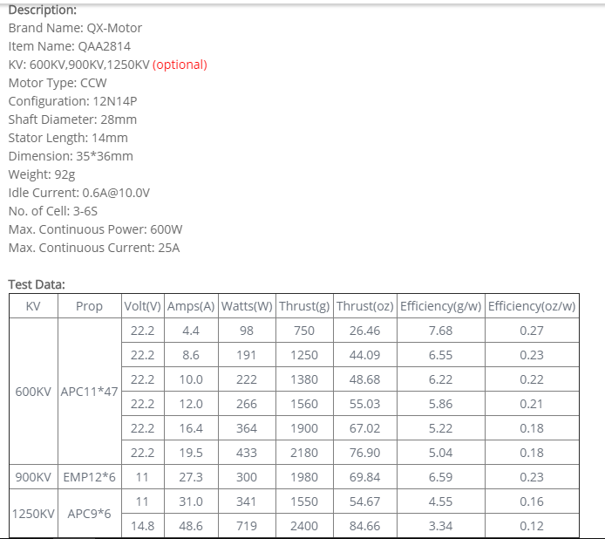
Power Required |  |  |  |  |  |  | https://www.banggood.in/QX-Motor-QAA2814-600KV-900KV-1250KV-3-6S-Brushless-Motor-CCW-For-RC-Airplane-Multicopter-p-1132193.html?rmmds=search&ID=49282&cur_warehouse=CN

Power = Velocity * Drag

V | Cd | rho | Sw | D | Power=D*V
m/s |  | kg/m3 | m2 | N(kg-m/s2) | kgm2s-3
2 | 0.19119295033 | 1.223 | 0.24142857143 | 0.11290599235 | 0.226
2.5 | 0.19119295033 | 1.223 | 0.24142857143 | 0.17641561305 | 0.441
3 | 0.19119295033 | 1.223 | 0.24142857143 | 0.2540384828 | 0.762
3.5 | 0.19119295033 | 1.223 | 0.24142857143 | 0.34577460158 | 1.210
4 | 0.19119295033 | 1.223 | 0.24142857143 | 0.45162396942 | 1.806
4.5 | 0.19119295033 | 1.223 | 0.24142857143 | 0.57158658629 | 2.572
5 | 0.19119295033 | 1.223 | 0.24142857143 | 0.70566245221 | 3.528
5.5 | 0.19119295033 | 1.223 | 0.24142857143 | 0.85385156718 | 4.696
6 | 0.19119295033 | 1.223 | 0.24142857143 | 1.0161539312 | 6.097
6.5 | 0.19119295033 | 1.223 | 0.24142857143 | 1.1925695442 | 7.752
7 | 0.19119295033 | 1.223 | 0.24142857143 | 1.3830984063 | 9.682
7.5 | 0.19119295033 | 1.223 | 0.24142857143 | 1.5877405175 | 11.908
8 | 0.19119295033 | 1.223 | 0.24142857143 | 1.8064958777 | 14.452
8.5 | 0.19119295033 | 1.223 | 0.24142857143 | 2.0393644869 | 17.335
9 | 0.19119295033 | 1.223 | 0.24142857143 | 2.2863463452 | 20.577
9.5 | 0.19119295033 | 1.223 | 0.24142857143 | 2.5474414525 | 24.201
10 | 0.19119295033 | 1.223 | 0.24142857143 | 2.8226498088 | 28.226
10.5 | 0.19119295033 | 1.223 | 0.24142857143 | 3.1119714143 | 32.676
11 | 0.19119295033 | 1.223 | 0.24142857143 | 3.4154062687 | 37.569
11.5 | 0.19119295033 | 1.223 | 0.24142857143 | 3.7329543722 | 42.929
12 | 0.19119295033 | 1.223 | 0.24142857143 | 4.0646157247 | 48.775
12.5 | 0.19119295033 | 1.223 | 0.24142857143 | 4.4103903263 | 55.130
13 | 0.19119295033 | 1.223 | 0.24142857143 | 4.7702781769 | 62.014
13.5 | 0.19119295033 | 1.223 | 0.24142857143 | 5.1442792766 | 69.448
14 | 0.19119295033 | 1.223 | 0.24142857143 | 5.5323936253 | 77.454
14.5 | 0.19119295033 | 1.223 | 0.24142857143 | 5.9346212231 | 86.052
15 | 0.19119295033 | 1.223 | 0.24142857143 | 6.3509620699 | 95.264

 |  |  |  |  |  | `

Dynamic Thrust (Simplyfied)
Dynamic Thrust

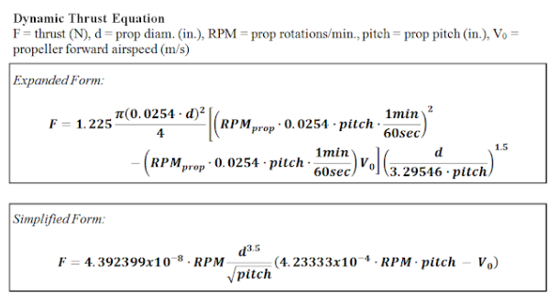 |  |  |  |  |  |  | Source
 |  |  |  |  |  |  | https://www.flitetest.com/articles/propeller-static-dynamic-thrust-calculation

 |  |  |  |  |  | Static Velocity |  | V=0m/s
 |  |  |  |  |  | Stall Velocity |  | V=11m/s |  |  | 3s Battery (V) | 11.1
 |  |  |  |  |  |  |  |  |  |  | Motor KV | 1250
 |  |  |  |  |  | Req. Thrust to Weight ratio |  |  | 0.7 |  | Max. RPM | 13875

 |  |  |  |  |  | Req. Thrust |  | 1.75 | kgs
 |  |  |  |  |  |  |  | 17.1675 | N

 |  |  |  |  |  |  |  |  |  |  |  |  | Selected Prop. 9X7 tri-blade
 |  |  | in
Prop. Diameter |  |  | 9 |  | Pitch |  | 5 | 6 | 7 | 8
Prop. Diameter |  |  | 10 |  | Pitch |  | 5 | 6 | 7 | 8

Static Thrust

Static Thrust
9 |  | X | 5 |  | 9 |  | X | 6 |  |  | 9 |  | X | 7 |  | 9 |  | X | 8
RPM | Dia (in) | Pitch | V0 (m/s) | Static Thrust (N) | RPM | Dia (in) | Pitch | V0 (m/s) | Static Thrust (N) |  | RPM | Dia (in) | Pitch | V0 (m/s) | Static Thrust (N) | RPM | Dia (in) | Pitch | V0 (m/s) | Static Thrust (N)
0 | 9 | 5 | 0 | 0.000 | 0 | 9 | 6 | 0 | 0.000 |  | 0 | 9 | 7 | 0 | 0.000 | 0 | 9 | 8 | 0 | 0.000
1000 | 9 | 5 | 0 | 0.091 | 1000 | 9 | 6 | 0 | 0.100 |  | 1000 | 9 | 7 | 0 | 0.108 | 1000 | 9 | 8 | 0 | 0.115
2000 | 9 | 5 | 0 | 0.364 | 2000 | 9 | 6 | 0 | 0.398 |  | 2000 | 9 | 7 | 0 | 0.430 | 2000 | 9 | 8 | 0 | 0.460
3000 | 9 | 5 | 0 | 0.818 | 3000 | 9 | 6 | 0 | 0.897 |  | 3000 | 9 | 7 | 0 | 0.968 | 3000 | 9 | 8 | 0 | 1.035
4000 | 9 | 5 | 0 | 1.455 | 4000 | 9 | 6 | 0 | 1.594 |  | 4000 | 9 | 7 | 0 | 1.721 | 4000 | 9 | 8 | 0 | 1.840
5000 | 9 | 5 | 0 | 2.273 | 5000 | 9 | 6 | 0 | 2.490 |  | 5000 | 9 | 7 | 0 | 2.690 | 5000 | 9 | 8 | 0 | 2.876
6000 | 9 | 5 | 0 | 3.274 | 6000 | 9 | 6 | 0 | 3.586 |  | 6000 | 9 | 7 | 0 | 3.873 | 6000 | 9 | 8 | 0 | 4.141
7000 | 9 | 5 | 0 | 4.456 | 7000 | 9 | 6 | 0 | 4.881 |  | 7000 | 9 | 7 | 0 | 5.272 | 7000 | 9 | 8 | 0 | 5.636
8000 | 9 | 5 | 0 | 5.820 | 8000 | 9 | 6 | 0 | 6.375 |  | 8000 | 9 | 7 | 0 | 6.886 | 8000 | 9 | 8 | 0 | 7.361
9000 | 9 | 5 | 0 | 7.366 | 9000 | 9 | 6 | 0 | 8.069 |  | 9000 | 9 | 7 | 0 | 8.715 | 9000 | 9 | 8 | 0 | 9.317
10000 | 9 | 5 | 0 | 9.093 | 10000 | 9 | 6 | 0 | 9.961 |  | 10000 | 9 | 7 | 0 | 10.759 | 10000 | 9 | 8 | 0 | 11.502
11000 | 9 | 5 | 0 | 11.003 | 11000 | 9 | 6 | 0 | 12.053 |  | 11000 | 9 | 7 | 0 | 13.019 | 11000 | 9 | 8 | 0 | 13.918
12000 | 9 | 5 | 0 | 13.094 | 12000 | 9 | 6 | 0 | 14.344 |  | 12000 | 9 | 7 | 0 | 15.493 | 12000 | 9 | 8 | 0 | 16.563
13000 | 9 | 5 | 0 | 15.368 | 13000 | 9 | 6 | 0 | 16.834 |  | 13000 | 9 | 7 | 0 | 18.183 | 13000 | 9 | 8 | 0 | 19.439

Dynamic Thrust
Dynamic Thrust
9 |  | X | 5 |  | 9 |  | X | 6 |  |  | 9 |  | X | 7 |  | 9 |  | X | 8
RPM | Dia (in) | Pitch | V0 (m/s) | Static Thrust (N) | RPM | Dia (in) | Pitch | V0 (m/s) | Static Thrust (N) |  | RPM | Dia (in) | Pitch | V0 (m/s) | Static Thrust (N) | RPM | Dia (in) | Pitch | V0 (m/s) | Static Thrust (N)
0 | 9 | 5 | 11 | 0.000 | 0 | 9 | 6 | 11 | 0.000 |  | 0 | 9 | 7 | 11 | 0.000 | 0 | 9 | 8 | 11 | 0.000
1000 | 9 | 5 | 11 | -0.382 | 1000 | 9 | 6 | 11 | -0.332 |  | 1000 | 9 | 7 | 11 | -0.292 | 1000 | 9 | 8 | 11 | -0.259
2000 | 9 | 5 | 11 | -0.581 | 2000 | 9 | 6 | 11 | -0.464 |  | 2000 | 9 | 7 | 11 | -0.368 | 2000 | 9 | 8 | 11 | -0.287
3000 | 9 | 5 | 11 | -0.599 | 3000 | 9 | 6 | 11 | -0.398 |  | 3000 | 9 | 7 | 11 | -0.230 | 3000 | 9 | 8 | 11 | -0.086
4000 | 9 | 5 | 11 | -0.435 | 4000 | 9 | 6 | 11 | -0.132 |  | 4000 | 9 | 7 | 11 | 0.124 | 4000 | 9 | 8 | 11 | 0.346
5000 | 9 | 5 | 11 | -0.090 | 5000 | 9 | 6 | 11 | 0.333 |  | 5000 | 9 | 7 | 11 | 0.693 | 5000 | 9 | 8 | 11 | 1.008
6000 | 9 | 5 | 11 | 0.438 | 6000 | 9 | 6 | 11 | 0.998 |  | 6000 | 9 | 7 | 11 | 1.477 | 6000 | 9 | 8 | 11 | 1.899
7000 | 9 | 5 | 11 | 1.148 | 7000 | 9 | 6 | 11 | 1.861 |  | 7000 | 9 | 7 | 11 | 2.476 | 7000 | 9 | 8 | 11 | 3.021
8000 | 9 | 5 | 11 | 2.039 | 8000 | 9 | 6 | 11 | 2.924 |  | 8000 | 9 | 7 | 11 | 3.691 | 8000 | 9 | 8 | 11 | 4.373
9000 | 9 | 5 | 11 | 3.112 | 9000 | 9 | 6 | 11 | 4.186 |  | 9000 | 9 | 7 | 11 | 5.121 | 9000 | 9 | 8 | 11 | 5.954
10000 | 9 | 5 | 11 | 4.368 | 10000 | 9 | 6 | 11 | 5.647 |  | 10000 | 9 | 7 | 11 | 6.765 | 10000 | 9 | 8 | 11 | 7.766
11000 | 9 | 5 | 11 | 5.805 | 11000 | 9 | 6 | 11 | 7.308 |  | 11000 | 9 | 7 | 11 | 8.625 | 11000 | 9 | 8 | 11 | 9.808
12000 | 9 | 5 | 11 | 7.423 | 12000 | 9 | 6 | 11 | 9.167 |  | 12000 | 9 | 7 | 11 | 10.701 | 12000 | 9 | 8 | 11 | 12.080
13000 | 9 | 5 | 11 | 9.224 | 13000 | 9 | 6 | 11 | 11.226 |  | 13000 | 9 | 7 | 11 | 12.991 | 13000 | 9 | 8 | 11 | 14.582

Static Thrust
Static Thrust
10 |  | X | 5 |  | 10 |  | X | 6 |  |  | 10 |  | X | 7 |  | 10 |  | X | 8
RPM | Dia (in) | Pitch | V0 (m/s) | Static Thrust (N) | RPM | Dia (in) | Pitch | V0 (m/s) | Static Thrust (N) |  | RPM | Dia (in) | Pitch | V0 (m/s) | Static Thrust (N) | RPM | Dia (in) | Pitch | V0 (m/s) | Static Thrust (N)
0 | 10 | 5 | 0 | 0.000 | 0 | 10 | 6 | 0 | 0.000 |  | 0 | 10 | 7 | 0 | 0.000 | 0 | 10 | 8 | 0 | 0.000
1000 | 10 | 5 | 0 | 0.131 | 1000 | 10 | 6 | 0 | 0.144 |  | 1000 | 10 | 7 | 0 | 0.156 | 1000 | 10 | 8 | 0 | 0.166
2000 | 10 | 5 | 0 | 0.526 | 2000 | 10 | 6 | 0 | 0.576 |  | 2000 | 10 | 7 | 0 | 0.622 | 2000 | 10 | 8 | 0 | 0.665
3000 | 10 | 5 | 0 | 1.183 | 3000 | 10 | 6 | 0 | 1.296 |  | 3000 | 10 | 7 | 0 | 1.400 | 3000 | 10 | 8 | 0 | 1.497
4000 | 10 | 5 | 0 | 2.104 | 4000 | 10 | 6 | 0 | 2.305 |  | 4000 | 10 | 7 | 0 | 2.489 | 4000 | 10 | 8 | 0 | 2.661
5000 | 10 | 5 | 0 | 3.287 | 5000 | 10 | 6 | 0 | 3.601 |  | 5000 | 10 | 7 | 0 | 3.889 | 5000 | 10 | 8 | 0 | 4.158
6000 | 10 | 5 | 0 | 4.733 | 6000 | 10 | 6 | 0 | 5.185 |  | 6000 | 10 | 7 | 0 | 5.601 | 6000 | 10 | 8 | 0 | 5.987
7000 | 10 | 5 | 0 | 6.443 | 7000 | 10 | 6 | 0 | 7.058 |  | 7000 | 10 | 7 | 0 | 7.623 | 7000 | 10 | 8 | 0 | 8.149
8000 | 10 | 5 | 0 | 8.415 | 8000 | 10 | 6 | 0 | 9.218 |  | 8000 | 10 | 7 | 0 | 9.957 | 8000 | 10 | 8 | 0 | 10.644
9000 | 10 | 5 | 0 | 10.650 | 9000 | 10 | 6 | 0 | 11.667 |  | 9000 | 10 | 7 | 0 | 12.601 | 9000 | 10 | 8 | 0 | 13.471
10000 | 10 | 5 | 0 | 13.148 | 10000 | 10 | 6 | 0 | 14.403 |  | 10000 | 10 | 7 | 0 | 15.557 | 10000 | 10 | 8 | 0 | 16.631
11000 | 10 | 5 | 0 | 15.909 | 11000 | 10 | 6 | 0 | 17.428 |  | 11000 | 10 | 7 | 0 | 18.824 | 11000 | 10 | 8 | 0 | 20.124
12000 | 10 | 5 | 0 | 18.934 | 12000 | 10 | 6 | 0 | 20.741 |  | 12000 | 10 | 7 | 0 | 22.402 | 12000 | 10 | 8 | 0 | 23.949
13000 | 10 | 5 | 0 | 22.221 | 13000 | 10 | 6 | 0 | 24.341 |  | 13000 | 10 | 7 | 0 | 26.292 | 13000 | 10 | 8 | 0 | 28.107

Dynamic Thrust
Dynamic Thrust
10 |  | X | 5 |  | 10 |  | X | 6 |  |  | 10 |  | X | 7 |  | 10 |  | X | 8
RPM | Dia (in) | Pitch | V0 (m/s) | Static Thrust (N) | RPM | Dia (in) | Pitch | V0 (m/s) | Static Thrust (N) |  | RPM | Dia (in) | Pitch | V0 (m/s) | Static Thrust (N) | RPM | Dia (in) | Pitch | V0 (m/s) | Static Thrust (N)
0 | 10 | 5 | 11 | 0.000 | 0 | 10 | 6 | 11 | 0.000 |  | 0 | 10 | 7 | 11 | 0.000 | 0 | 10 | 8 | 11 | 0.000
1000 | 10 | 5 | 11 | -0.552 | 1000 | 10 | 6 | 11 | -0.480 |  | 1000 | 10 | 7 | 11 | -0.422 | 1000 | 10 | 8 | 11 | -0.374
2000 | 10 | 5 | 11 | -0.841 | 2000 | 10 | 6 | 11 | -0.671 |  | 2000 | 10 | 7 | 11 | -0.533 | 2000 | 10 | 8 | 11 | -0.415
3000 | 10 | 5 | 11 | -0.867 | 3000 | 10 | 6 | 11 | -0.575 |  | 3000 | 10 | 7 | 11 | -0.332 | 3000 | 10 | 8 | 11 | -0.124
4000 | 10 | 5 | 11 | -0.629 | 4000 | 10 | 6 | 11 | -0.191 |  | 4000 | 10 | 7 | 11 | 0.179 | 4000 | 10 | 8 | 11 | 0.500
5000 | 10 | 5 | 11 | -0.129 | 5000 | 10 | 6 | 11 | 0.482 |  | 5000 | 10 | 7 | 11 | 1.002 | 5000 | 10 | 8 | 11 | 1.457
6000 | 10 | 5 | 11 | 0.634 | 6000 | 10 | 6 | 11 | 1.443 |  | 6000 | 10 | 7 | 11 | 2.136 | 6000 | 10 | 8 | 11 | 2.746
7000 | 10 | 5 | 11 | 1.660 | 7000 | 10 | 6 | 11 | 2.691 |  | 7000 | 10 | 7 | 11 | 3.581 | 7000 | 10 | 8 | 11 | 4.368
8000 | 10 | 5 | 11 | 2.949 | 8000 | 10 | 6 | 11 | 4.228 |  | 8000 | 10 | 7 | 11 | 5.337 | 8000 | 10 | 8 | 11 | 6.323
9000 | 10 | 5 | 11 | 4.500 | 9000 | 10 | 6 | 11 | 6.053 |  | 9000 | 10 | 7 | 11 | 7.404 | 9000 | 10 | 8 | 11 | 8.610
10000 | 10 | 5 | 11 | 6.315 | 10000 | 10 | 6 | 11 | 8.166 |  | 10000 | 10 | 7 | 11 | 9.782 | 10000 | 10 | 8 | 11 | 11.229
11000 | 10 | 5 | 11 | 8.393 | 11000 | 10 | 6 | 11 | 10.567 |  | 11000 | 10 | 7 | 11 | 12.472 | 11000 | 10 | 8 | 11 | 14.182
12000 | 10 | 5 | 11 | 10.734 | 12000 | 10 | 6 | 11 | 13.255 |  | 12000 | 10 | 7 | 11 | 15.473 | 12000 | 10 | 8 | 11 | 17.467
13000 | 10 | 5 | 11 | 13.338 | 13000 | 10 | 6 | 11 | 16.233 |  | 13000 | 10 | 7 | 11 | 18.784 | 13000 | 10 | 8 | 11 | 21.085

Dynamic Thrust (Expanded)
Dynamic Thrust

 |  |  |  |  |  |  | Prop
 | By: Gabriel Staples, 18 Sept 2013 |  |  |  |  |  | https://www.masterairscrew.com/collections/3-blade/products/3-blade-9x7-propeller
 | http://electricrcaircraftguy.blogspot.com/2013/09/propeller-static-dynamic-thrust-equation.html
 | Blog Home: | http://electricrcaircraftguy.blogspot.com/

 | Propeller Inputs
 | dia, d (in): | 9 | pitch (in): | 7 | RPMs: | 13000

 | x |  | y
 | Aircraft Airspeed, V0 (m/s) | Dynamic Thrust, F (N) | Dynamic Thrust, F (g) | Dynamic Thrust, F (kg) | Dynamic Thrust, F (oz) | Dynamic Thrust, F (lb)
Static Thrust --> | 0 | 18.183135562 | 1853.5306383 | 1.8535306383 | 65.381439736 | 4.0863307159
all others are dynamic thrust | 1 | 17.711132389 | 1805.4161457 | 1.8054161457 | 63.684249123 | 3.9802565431
 | 2 | 17.239129216 | 1757.301653 | 1.757301653 | 61.987058509 | 3.8741823703
 | 3 | 16.767126043 | 1709.1871604 | 1.7091871604 | 60.289867896 | 3.7681081975
Thrust vs Velocity
 | 4 | 16.295122871 | 1661.0726677 | 1.6610726677 | 58.592677282 | 3.6620340248
 | 5 | 15.823119698 | 1612.9581751 | 1.6129581751 | 56.895486668 | 3.555959852
 | 6 | 15.351116525 | 1564.8436825 | 1.5648436825 | 55.198296055 | 3.4498856792
 | 7 | 14.879113352 | 1516.7291898 | 1.5167291898 | 53.501105441 | 3.3438115064
 | 8 | 14.407110179 | 1468.6146972 | 1.4686146972 | 51.803914828 | 3.2377373337
 | 9 | 13.935107006 | 1420.5002045 | 1.4205002045 | 50.106724214 | 3.1316631609
 | 10 | 13.463103834 | 1372.3857119 | 1.3723857119 | 48.409533601 | 3.0255889881
 | 11 | 12.991100661 | 1324.2712192 | 1.3242712192 | 46.712342987 | 2.9195148153
 | 12 | 12.519097488 | 1276.1567266 | 1.2761567266 | 45.015152374 | 2.8134406426
 | 13 | 12.047094315 | 1228.0422339 | 1.2280422339 | 43.31796176 | 2.7073664698
 | 14 | 11.575091142 | 1179.9277413 | 1.1799277413 | 41.620771146 | 2.601292297
 | 15 | 11.103087969 | 1131.8132487 | 1.1318132487 | 39.923580533 | 2.4952181242
 | 16 | 10.631084796 | 1083.698756 | 1.083698756 | 38.226389919 | 2.3891439515
 | 17 | 10.159081624 | 1035.5842634 | 1.0355842634 | 36.529199306 | 2.2830697787
 | 18 | 9.6870784507 | 987.46977072 | 0.98746977072 | 34.832008692 | 2.1769956059
 | 19 | 9.2150752779 | 939.35527807 | 0.93935527807 | 33.134818079 | 2.0709214331
 | 20 | 8.743072105 | 891.24078543 | 0.89124078543 | 31.437627465 | 1.9648472604

Model Details
Model Details

Model

Payload |  |  | 1 kgs
Empty Weight |  |  | 1.5 kgs
Gross Takeoff Weight |  |  | 3 kgs
Payload Fraction |  |  | 0.4

Wing

Airfoil
S1223 - Selig S1223 high lift low Reynolds number airfoil
Clmax | 2.0814
Stall Angle | 10.75 | Degree
Re | 1 lakh

Wing
AR |  |  | 7
Surface Area |  |  | 0.24142857143 | m^2
Chord |  |  | 0.18571428571 | m
Wing Span |  |  | 1.3 | m
MAC |  |  | 0.046428571429
L |  |  | 3.1323599956 | Kgs

Aeliron
Span |  |  | 1.04 | m
Chord |  |  | 0.046428571429 | m

Fuselage

Fuselage Length without tail boom |  |  | 0.91 | m
Fuselage Length with tail boom |  |  | 0.455 | m

Crossection Dimensions
Exterior |  | Interior
W (m) | H (m) | W (m) | H (m)
0.1191 | 0.078 | 0.0991 | 0.058

Fuselage Volume Comparision

$$V=πr^{2}h$$
$$V=lbh$$
Volume |  |  |  |  | Volume (Rect) |  |  | Graph
 |  |  |  |  |  |  |  | 0 | 0
 |  |  |  |  |  |  |  | 0.0192 | 0.0007
r | 0.116 | m |  |  | l | 0.455 | m
h | 0.455 | m |  |  | b | 0.04 | m
V | 0.0192 | m^3 |  |  | h | 0.04 | m
 |  |  |  |  | V | 0.0007 | m^3
Tail

Configuration : Tail Boom with Inverse Pie Tail

H - Tail
HTML |  |  | 0.546 | m
Surface Area of HT |  |  | 0.041 | m^2
Chord |  |  | 0.117 | m
Span |  |  | 0.351 | m
MAC |  |  | 0.029 | m
Elevator Chord |  |  | 0.053 | m

Twin Rudder - Tail
Total |  |  |  |  |  | Single Surface
HTML |  |  | 0.546 | m |  | HTML |  | 0.546 | m
Surface Area of VT |  |  | 0.023 | m^2 |  | Surface Area of VT |  | 0.011 | m^2
Chord |  |  | 0.087 | m |  | Chord |  | 0.087 | m
Span |  |  | 0.262 | m^2 |  | Span |  | 0.131 | m^2
MAC |  |  | 0.022 | m |  | MAC |  | 0.022 | m
Elevator Chord |  |  | 0.031 | m |  | Elevator Chord |  | 0.031 | m

